Sheet2
 | Back | Same | Fwd
26000 |  | 2200
12060 | 9100 | 1340 | 1620 | 75% | 11% | 13%
6030 | 4840 | 670 | 520 | 80% | 11% | 9%

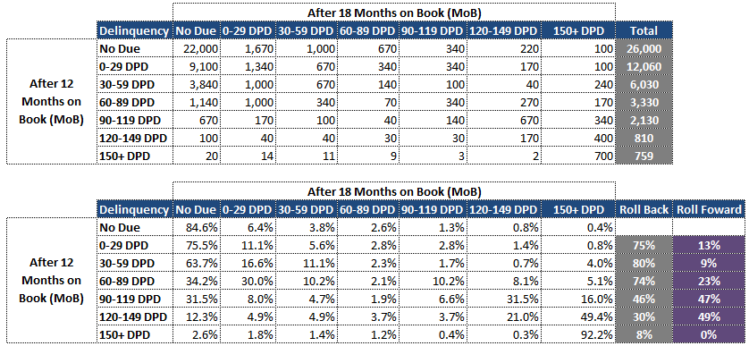
 |  |  |  |  |  |  |  |  | March
 |  |  |  |  |  |  |  | Feb | Reg | TB0 | TB1 | TB2
 |  |  |  |  |  |  | Reg | 40339 | 15764 | 24575 | 0
 |  |  |  |  |  |  | TB0
 |  |  |  |  |  |  | TB1
 |  |  |  |  |  |  | TB2
 |  |  |  |  |  |  |  |  | 0.3907880711 | 60.9%

 |  |  |  |  |  |  |  |  | April
 |  |  |  |  |  |  | TB0 | March | April | May | June | TB2
 |  |  |  |  |  |  | Reg |  | 22666
 |  |  |  |  |  |  | TB0 | 24575 | 1709 |  | 200
 |  |  |  |  |  |  | TB1 |  | 200
 |  |  |  |  |  |  | TB2
 |  |  |  |  |  |  |  | 24575 | 24575

 |  |  |  |  |  |  | RollB |  | 92.2%
 |  |  |  |  |  |  |  |  | 7.0%
 |  |  |  |  |  |  | RollF |  | 0.8%

